Sheet2
Sick Leaves
Outsource
Saudis Vs Non-Saudis
Inentive Cost
40
Month | Jan
 |  |  | Saudis | Non-Saudis
 |  | Jan | 1000 | 2700
$887,209.00
3,700
33
Over Time Cost
 |  |  | # Headcount
 |  | Jan | 3,700
Late Hours
$150,000.00
Part Timers
50
Payroll
 |  |  | % Saudization
 |  | Jan | 27.03%

27.03%
33
$12,009,400.00
 |  |  | # Sick Leave
 |  | Jan | 33
Employees Aged >50
Corrective Actions
Contract Termination
Probation Period Ter.
Training Hours
Trained Employees
50
100
10
12
45
320
 |  |  | # Hours Late
 |  | Jan | 33

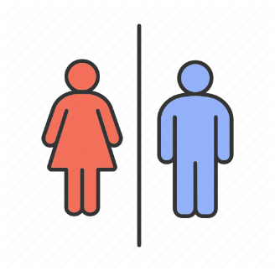
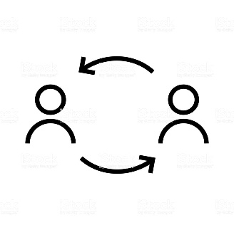
Turnover
Retired Employees
Leavers < 3 Years
Average Age
 |  |  | # Unpaid Leaves | # Employees Aged >50 | % Of Females | Male
 |  | Jan | 120 | 50 | 300 | 3,400
12.00%
10%
22%
32
3
32
Automated Processes
Training Effectiveness
300
3,400
 | 0 | 320
 |  | 3,380
 |  |  | $ Incentive | # Corrective Actions | Avg Age | # Leavers With Service Less Than 3 Years | # Retried Employees
 |  | Jan | $887,209.00 | 100 | 32 | 3 | 32
 |  |  |  |  |  |  |  |  |  | 18
 |  |  |  |  |  |  |  |  |  | 14
HR BudgetConsumption
70%
 |  |  | $ Overtime | % Employees Tenure | % Hr Expenses Vs Budget |  | # HR Headcount |  |  | 5 | 32
22%
 |  | Jan | $150,000.00 | 12.00% | 80% | 20% | 320 | 3,380 | 9.47% | 28
Training Plan Achievement
MP Plan Achievement
 |  |  |  |  |  |  |  |  |  | 60
HR Count
 |  |  | $ Payroll | # Contract Termination | # Probation Period Termination | # Training Hours | # Trained Employees
 |  | Jan | $12,009,400.00 | 10 | 12 | 45 | 320

 |  |  | # Leavers | # Joiners
 |  | Jan | 22 | 10

 |  |  | High Performers | Low Performers
 |  | Jan | 22% | 80%
 |  |  |  |  |  |  |  | 1
 |  |  | % Outsource | # Part Timers |  |  |  | 1
 |  | Jan | 40 | 50 |  |  |  | 1
 |  |  |  |  |  |  |  | 1
 |  |  |  |  |  |  |  | 1
 |  |  | % Automated Processes | 10% | 90% |  |  | 1
 |  |  | % Training Effectiveness Index | 22% | 78% |  |  | 1
 |  |  | % Training Plan Achieved' | 70% | 30% |  |  | 1
 |  |  | % Manpower Plan Achieved | 22% | 78% |  |  | 1
 |  |  |  |  |  |  |  | 1
 |  |  |  |  |  |  |  | 1
 |  |  |  |  |  |  |  | 1
 |  |  |  |  |  |  |  | 1
 |  |  |  |  |  |  |  | 1
 |  |  |  |  |  |  |  | 1
 |  |  |  |  |  |  |  | 1
 |  |  |  |  |  |  |  | 1
 |  |  |  |  |  |  |  | 1
 |  |  |  |  |  |  |  | 1
 |  |  |  |  |  |  |  | 1

